Metrics and Plots
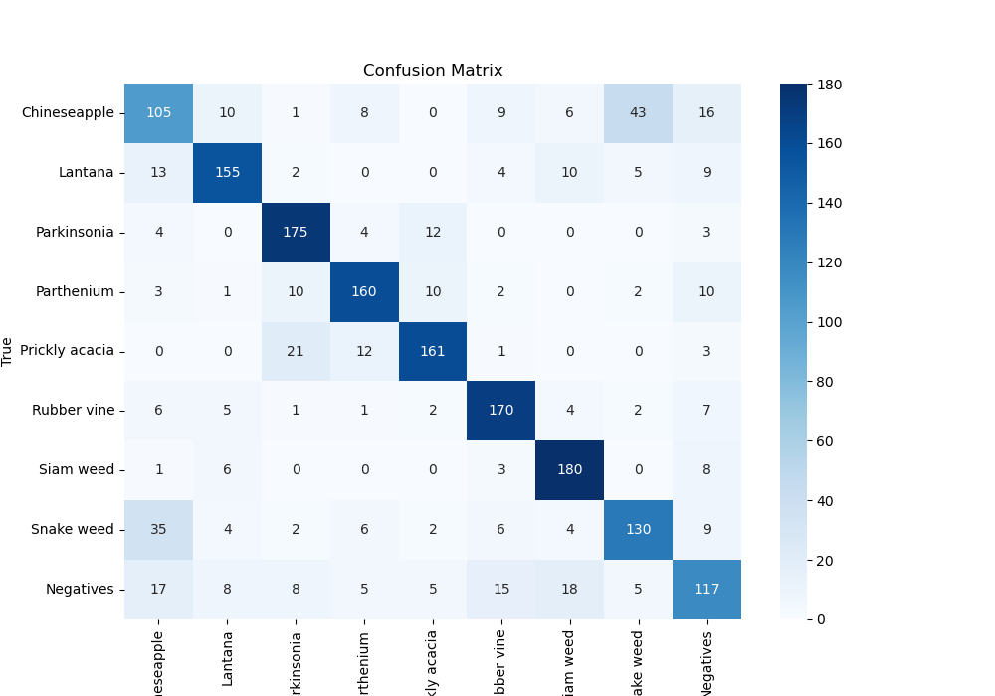
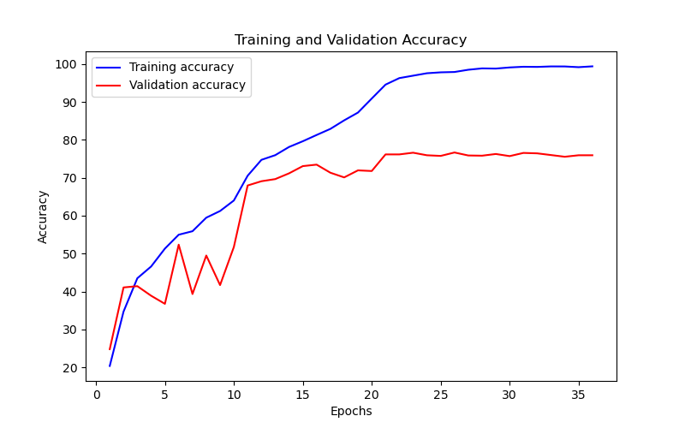
Epoch | Train Accuracy | Train Loss | Validation Accuracy | Validation Loss
1 | 20.38 | 3.331 | 24.80359147 | 2.342
2 | 34.71 | 1.712 | 41.077441077 | 1.685
3 | 43.5 | 1.551 | 41.414141414 | 1.572
4 | 46.6 | 1.458 | 38.888888889 | 2.12
5 | 51.32 | 1.36 | 36.756453423 | 1.959
6 | 54.98 | 1.256 | 52.356902357 | 1.361
7 | 55.9 | 1.223 | 39.337822671 | 2.001
8 | 59.47 | 1.114 | 49.494949495 | 1.525
9 | 61.23 | 1.086 | 41.694725028 | 2.621
10 | 64 | 1 | 51.739618406 | 1.735
11 | 70.53 | 0.83 | 67.957351291 | 0.915
12 | 74.72 | 0.727 | 69.079685746 | 0.91
13 | 75.95 | 0.682 | 69.640852974 | 0.883
14 | 78.11 | 0.635 | 71.156004489 | 0.893
15 | 79.62 | 0.596 | 73.063973064 | 0.796
16 | 81.27 | 0.548 | 73.456790123 | 0.78
17 | 82.88 | 0.5 | 71.324354658 | 0.863
18 | 85.13 | 0.439 | 70.089786756 | 0.916
19 | 87.18 | 0.377 | 71.941638608 | 0.877
20 | 90.88 | 0.29 | 71.77328844 | 0.93
21 | 94.55 | 0.189 | 76.150392817 | 0.799
22 | 96.27 | 0.15 | 76.150392817 | 0.795
23 | 96.91 | 0.135 | 76.599326599 | 0.809
24 | 97.55 | 0.109 | 75.925925926 | 0.838
25 | 97.79 | 0.101 | 75.757575758 | 0.851
26 | 97.88 | 0.092 | 76.655443322 | 0.897
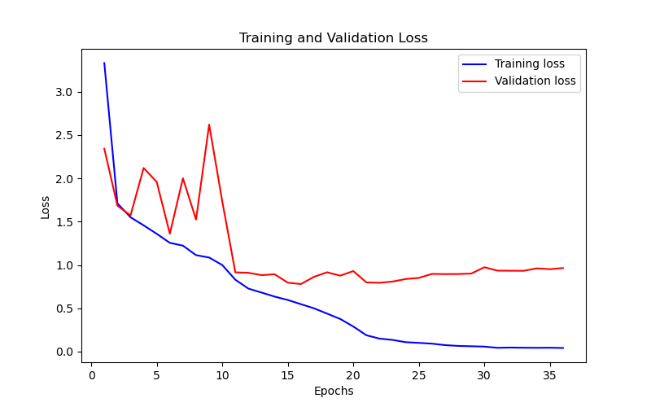
27 | 98.47 | 0.075 | 75.869809203 | 0.895
28 | 98.83 | 0.066 | 75.81369248 | 0.896
29 | 98.78 | 0.062 | 76.262626263 | 0.901
30 | 99.08 | 0.058 | 75.701459035 | 0.974
31 | 99.26 | 0.044 | 76.543209877 | 0.935
32 | 99.22 | 0.047 | 76.430976431 | 0.934
33 | 99.35 | 0.045 | 75.982042649 | 0.933
34 | 99.34 | 0.044 | 75.533108866 | 0.961
35 | 99.15 | 0.045 | 75.925925926 | 0.952
36 | 99.37 | 0.042 | 75.925925926 | 0.965

